IO for Multilingual email gener
Audio Path (sample s3 path ) | Transcribed Audio | Translated Audio | Generated Mail
https://email-transcription-input.s3.amazonaws.com/spanish.mp3 | Spanish Me llamo Tucan. Quiero obtener apoyo de mi equipo de servicios gestionados para acceder a los servicios de Amazon Q. | My name is Tucan. I want to get support from my managed services team to access Amazon Q services. | 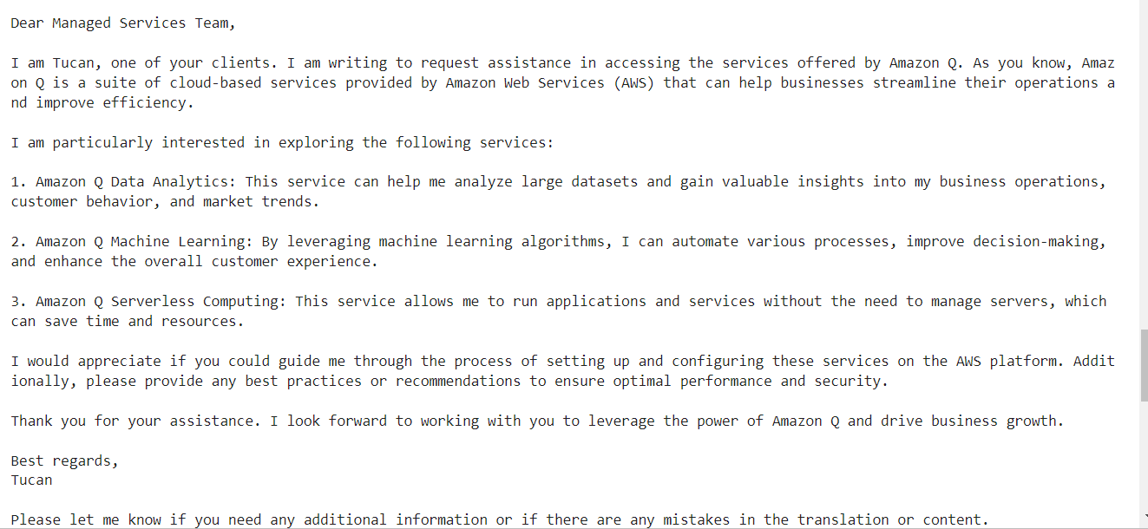

https://email-transcription-input.s3.amazonaws.com/protugese.mp3 | Portugese meu nome é Michael Ajude-me a escrever um e-mail para Ann Kerr Clode techno, para saber mais sobre os serviços de Mahi Lane baseados em nuvem deles, a fim de nos ajudar no caso de uso de extração de texto. | my name is michael, help me in writing a mail to ankercloud technologies to get to know about their machine learning cloud based services in order to help us in text extraction use case

https://email-transcription-input.s3.amazonaws.com/marathi.mp3 | Marathi माझं नाव तुकाराम आहे. मला दोन दिवसांसाठी सुट्टीसाठी निवेदन करायचं आहे मॅनेजर ला. आह दोन दिवस म्हणजे सोमवार आणि मंगळवार साठी मला निवेदन करायचं आहे त्यासाठी आह manager ला एक email लिहायचा आहे. Email थोडा descriptive असायला पाहिजे. | My name is Tukaram. I want to request leave for two days from my manager. These two days are Monday and Tuesday, and I need to write an email to the manager for this request. The email should be somewhat descriptive. | 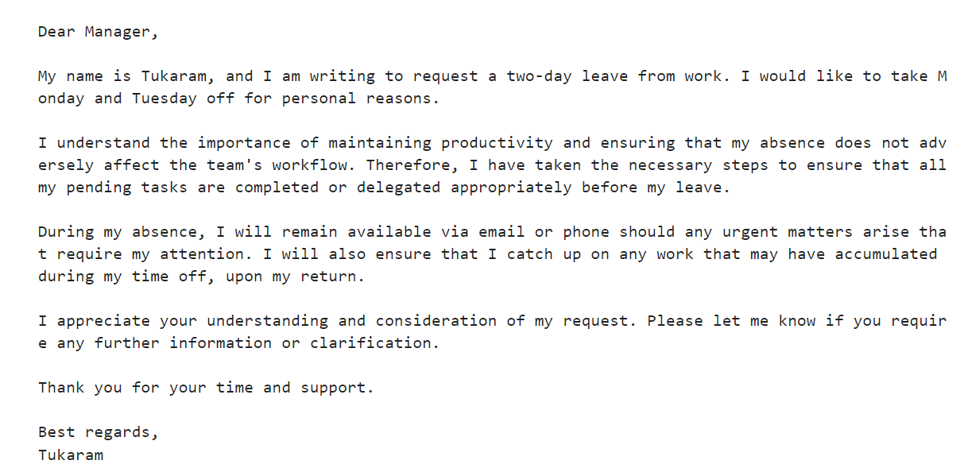

IO for Supply Chain
FEATURE 1: AUTOMATED BEST SUPPLIER SELECTION
EDA INPUT | PROMPT TO AGENT: | OUTPUT: | UPDATE IN DB:
import pandas as pd csv_file = r"Supply chain dataset - Supply chain dataset (2).csv" data = pd.read_csv(csv_file) def product_summary(): headphones_data = data[data['ItemName'] == 'Headphones'] #this usecase for headphones # extracting required columns relevant_columns = [ 'SupplierID', 'SupplierName', 'ItemID', 'ItemName', 'Price(rupees)', 'DeliveryTime(days)', 'ReliabilityScore of delivery (percentage)', 'OrderVolume', 'SupplierCost(rupees)', 'ProfitMargin(rupees)', 'SalesData', 'MarketTrend', 'SeasonalDemand', 'ReorderQuantity', 'ReorderSchedule' ] headphones_info = headphones_data[relevant_columns] summaries = [] for _, row in headphones_info.iterrows(): summary = ( f"Supplier {row['SupplierName']} (ID: {row['SupplierID']}) supplies item {row['ItemName']} " f"(ID: {row['ItemID']}) at a price of {row['Price(rupees)']} rupees. Delivery time is " f"{row['DeliveryTime(days)']} days with a reliability score of " f"{row['ReliabilityScore of delivery (percentage)']}%. Order volume is {row['OrderVolume']} units. " f"Supplier cost is {row['SupplierCost(rupees)']} rupees with a profit margin of " f"{row['ProfitMargin(rupees)']} rupees. Sales data shows {row['SalesData']} units sold, " f"market trend is {row['MarketTrend']}, seasonal demand is {row['SeasonalDemand']}. " f"Reorder quantity is {row['ReorderQuantity']} and reorder schedule is {row['ReorderSchedule']}." ) summaries.append(summary) result = " ".join(summaries) return result summary = product_summary() print(summary) | query = summary + "Select the best supplier for headphones based on the content. also give the reason for the recommendation" | Based on the data provided and my analysis, I recommend Supplier_B (ID: 1002) as the best supplier for Headphones (ID: 5). The key reasons are: - Supplier_B has the highest reliability score of 98% for one order with a reasonable 5-day delivery time. They also have other orders with high reliability scores like 92% and 81%, indicating consistent reliability. - Their profit margins are generally good across orders, ranging from around 800 to 1150 rupees. - They have a good sales volume for the product, with orders showing sales of 957, 560, 435, and 350 units. - Their delivery times are reasonable, ranging from 3 to 14 days for different orders. Overall, Supplier_B appears to be the most reliable and consistent supplier for Headphones based on their high reliability scores, good profit margins, reasonable delivery times, and healthy sales volumes. CPU times: user 21.6 ms, sys: 0 ns, total: 21.6 ms Wall time: 22.3 s | 
import pandas as pd csv_file = r"Supply chain dataset - Supply chain dataset (2).csv" data = pd.read_csv(csv_file) def product_summary(): headphones_data = data[data['ItemName'] == 'Laptop'] #this usecase for headphones # extracting required columns relevant_columns = [ 'SupplierID', 'SupplierName', 'ItemID', 'ItemName', 'Price(rupees)', 'DeliveryTime(days)', 'ReliabilityScore of delivery (percentage)', 'OrderVolume', 'SupplierCost(rupees)', 'ProfitMargin(rupees)', 'SalesData', 'MarketTrend', 'SeasonalDemand', 'ReorderQuantity', 'ReorderSchedule' ] headphones_info = headphones_data[relevant_columns] summaries = [] for _, row in headphones_info.iterrows(): summary = ( f"Supplier {row['SupplierName']} (ID: {row['SupplierID']}) supplies item {row['ItemName']} " f"(ID: {row['ItemID']}) at a price of {row['Price(rupees)']} rupees. Delivery time is " f"{row['DeliveryTime(days)']} days with a reliability score of " f"{row['ReliabilityScore of delivery (percentage)']}%. Order volume is {row['OrderVolume']} units. " f"Supplier cost is {row['SupplierCost(rupees)']} rupees with a profit margin of " f"{row['ProfitMargin(rupees)']} rupees. Sales data shows {row['SalesData']} units sold, " f"market trend is {row['MarketTrend']}, seasonal demand is {row['SeasonalDemand']}. " f"Reorder quantity is {row['ReorderQuantity']} and reorder schedule is {row['ReorderSchedule']}." ) summaries.append(summary) result = " ".join(summaries) return result summary = product_summary() print(summary) | query = summary + "Select the best supplier for laptops based on the content. also give the reason for the recommendation" | Based on the analysis of the given supplier data for laptops, I recommend Supplier_G (ID: 1007) as the best option. The key reasons are: 1. Shortest delivery time of 5 days, allowing for quick fulfillment of orders. 2. Very high reliability score of 98%, indicating a highly dependable and consistent supplier. 3. Relatively low supplier cost of 31752.51133 rupees and good profit margin of 18247.48867 rupees, making it financially beneficial. 4. While the sales volume of 353 units is not the highest, the market trend is stable, suggesting consistent demand for the product. 5. The reorder quantity of 21 units and reorder schedule of 2024-10-22 allow for timely replenishment of inventory. Considering the various factors like delivery time, reliability, costs, sales data, and inventory management, Supplier_G emerges as the most suitable choice for supplying laptops. CPU times: user 23.1 ms, sys: 0 ns, total: 23.1 ms Wall time: 19.9 s
FEATURE 2: DYNAMIC DELIVERY SCHEDULING
EDA INPUT | PROMPT TO AGENT: | OUTPUT:
import pandas as pd # Load the dataset csv_file = r"Supply chain dataset - Supply chain dataset (2).csv" data = pd.read_csv(csv_file) def get_delivery_scheduling_summary(): # Filter the data for entries where ProductName is 'Laptop' laptop_data = data[data['PurchaseHistory'] == 'Laptop'] # Specify the relevant columns relevant_columns = [ 'OrderID', 'OrderVolume', 'DeliveryLocation', 'DeliveryTime(days)', 'StartLocation', 'TrafficCondition', 'SupplierName' , 'PurchaseHistory', 'ReorderQuantity', 'PromotionalEvents', 'AnomalyDetected', 'AnomalyType' ] delivery_info = laptop_data[relevant_columns] # Combine the information into a summary string summaries = [] for _, row in delivery_info.iterrows(): summary = ( f"OrderID {row['OrderID']} with volume {row['OrderVolume']} is to be delivered to {row['DeliveryLocation']} " f"from {row['StartLocation']}. Expected delivery time is {row['DeliveryTime(days)']} days. " f"SupplierName {row['SupplierName']} (Status: {row['SupplierName']}) " f"Reorder quantity is {row['ReorderQuantity']}. Promotional event: {row['PromotionalEvents']}. " f"Anomaly detected: {row['AnomalyDetected']} (Type: {row['AnomalyType']})." ) summaries.append(summary) result = " ".join(summaries) return result summary = get_delivery_scheduling_summary() print(summary) | query = "only give me the 2 top best routes and best supplierID(based on their reliability) AND best delivery schedule to deliver a laptop to mumbai" + summary | The 2 best routes to deliver a laptop to Mumbai are: 1. OrderID 13473 (Supplier_A) with 5 days expected delivery time 2. OrderID 81516 (Supplier_A) with 5 days expected delivery time The best supplierID based on reliability is Supplier_A. For OrderID 19436 with volume 98 to be delivered to Jaipur from Warehouse_Main with an expected delivery time of 2 days, the best delivery schedule would be to use Supplier_A to deliver the order within the expected 2 day timeframe. CPU times: user 22.2 ms, sys: 0 ns, total: 22.2 ms Wall time: 34.4 s |  nor required
import pandas as pd # Load the dataset csv_file = r"Supply chain dataset - Supply chain dataset (2).csv" data = pd.read_csv(csv_file) def get_delivery_scheduling_summary(): laptop_data = data[data['PurchaseHistory'] == 'Camera'] # Specify the relevant columns relevant_columns = [ 'OrderID', 'OrderVolume', 'DeliveryLocation', 'DeliveryTime(days)', 'StartLocation', 'TrafficCondition', 'SupplierName' , 'PurchaseHistory', 'ReorderQuantity', 'PromotionalEvents', 'AnomalyDetected', 'AnomalyType' ] delivery_info = laptop_data[relevant_columns] # Combine the information into a summary string summaries = [] for _, row in delivery_info.iterrows(): summary = ( f"OrderID {row['OrderID']} with volume {row['OrderVolume']} is to be delivered to {row['DeliveryLocation']} " f"from {row['StartLocation']}. Expected delivery time is {row['DeliveryTime(days)']} days. " f"SupplierName {row['SupplierName']} (Status: {row['SupplierName']}) " f"Reorder quantity is {row['ReorderQuantity']}. Promotional event: {row['PromotionalEvents']}. " f"Anomaly detected: {row['AnomalyDetected']} (Type: {row['AnomalyType']})." ) summaries.append(summary) result = " ".join(summaries) return result summary = get_delivery_scheduling_summary() print(summary) | query = "only give me the 2 top best routes and best supplierID(based on their reliability) AND best delivery schedule to deliver a camera to Delhi" + summary | For delivering a camera to Delhi for OrderID 12659 with volume 63 from Warehouse_Main, the two best routes based on the expected delivery times are: 1. Route using Order 17340 with Supplier_A - Expected delivery time of 3 days 2. Route using Orders 34685 and 48566 with Supplier_F - Expected delivery time of 4 days The best supplierID based on reliability would be Supplier_F, as the orders with this supplier (34685 and 48566) did not have any anomalies detected. For the delivery schedule of OrderID 12659, considering the expected delivery time of 4 days, reorder quantity of 93, and the promotional event Event_1, it would be best to use Supplier_E and deliver the order within the expected 4 day timeframe to take advantage of the promotional event. CPU times: user 24.2 ms, sys: 949 μs, total: 25.2 ms Wall time: 32.9 s | not required
FEATURE 3: ANOMALY DETECTION IN SUPPLY CHAIN
EDA INPUT | PROMPT TO AGENT: | OUTPUT: | UPDATE IN DB:
import pandas as pd # Load the dataset csv_file = r"Supply chain dataset - Supply chain dataset (2).csv" data = pd.read_csv(csv_file) def get_anomaly_detection_summary(): # Filter data to include only rows where 'AnomalyType' is either 'Delay' or 'Unusual Order Volume' anomaly_data = data[data['AnomalyType'].isin(['Delay', 'Unusual Order Volume'])] # Specify the relevant columns relevant_columns = [ 'SupplierName', 'DeliveryTime(days)', 'OrderVolume', 'ReorderQuantity', 'ReliabilityScore of delivery (percentage)', 'TrafficCondition', 'AnomalyDetected', 'AnomalyType', 'PurchaseHistory', 'DeliveryLocation', 'PromotionalEvents' ] # Extract the relevant columns from the filtered data anomaly_data = anomaly_data[relevant_columns] # Combine the information into a summary string summaries = [] for _, row in anomaly_data.iterrows(): summary = ( f"The product {row['PurchaseHistory']} with volume {row['OrderVolume']} " f"was delivered to {row['DeliveryLocation']} after {row['DeliveryTime(days)']} days. " f"SupplierName: {row['SupplierName']} with reliability score {row['ReliabilityScore of delivery (percentage)']}. " f"Traffic condition: {row['TrafficCondition']}. " f"Reorder quantity: {row['ReorderQuantity']}. Promotional events: {row['PromotionalEvents']}. " f"Anomaly detected: {row['AnomalyDetected']} (Type: {row['AnomalyType']})." ) summaries.append(summary) result = " ".join(summaries) return result # Get the summary for anomaly detection summary = get_anomaly_detection_summary() # Print the summary print(summary) | query = "based on the data give the anomaly of Supplier_E in just a few words. Also give the solution on how to resolve the anomaly ina few words" +summary | To address the issue of unusually high order volumes for certain products from Supplier_E, the following solution is recommended: Implement better inventory forecasting and demand planning processes to accurately predict product demand. Regularly review order patterns and adjust inventory levels accordingly to avoid over-ordering. Improve communication between sales, operations, and procurement teams to coordinate ordering decisions and prevent excessive ordering of certain products. CPU times: user 22.1 ms, sys: 0 ns, total: 22.1 ms Wall time: 17.7 s | 
import pandas as pd # Load the dataset csv_file = r"Supply chain dataset - Supply chain dataset (2).csv" data = pd.read_csv(csv_file) def get_anomaly_detection_summary(): # Filter data to include only rows where 'AnomalyType' is either 'Delay' or 'Unusual Order Volume' anomaly_data = data[data['AnomalyType'].isin(['Delay', 'Unusual Order Volume'])] # Specify the relevant columns relevant_columns = [ 'SupplierName', 'DeliveryTime(days)', 'OrderVolume', 'ReorderQuantity', 'ReliabilityScore of delivery (percentage)', 'TrafficCondition', 'AnomalyDetected', 'AnomalyType', 'PurchaseHistory', 'DeliveryLocation', 'PromotionalEvents' ] # Extract the relevant columns from the filtered data anomaly_data = anomaly_data[relevant_columns] # Combine the information into a summary string summaries = [] for _, row in anomaly_data.iterrows(): summary = ( f"The product {row['PurchaseHistory']} with volume {row['OrderVolume']} " f"was delivered to {row['DeliveryLocation']} after {row['DeliveryTime(days)']} days. " f"SupplierName: {row['SupplierName']} with reliability score {row['ReliabilityScore of delivery (percentage)']}. " f"Traffic condition: {row['TrafficCondition']}. " f"Reorder quantity: {row['ReorderQuantity']}. Promotional events: {row['PromotionalEvents']}. " f"Anomaly detected: {row['AnomalyDetected']} (Type: {row['AnomalyType']})." ) summaries.append(summary) result = " ".join(summaries) return result # Get the summary for anomaly detection summary = get_anomaly_detection_summary() # Print the summary print(summary) | query = "based on the data give the anomaly of Supplier_B in just a few words. Give a solution to the anomaly detected in a few words" +summary | For Supplier_B, the key anomalies detected were: 1. Delays in delivery for some products like Mouse, Smartwatch, Laptop, Smartphone, etc. even when traffic conditions were normal. 2. Unusual order volumes for products like Laptop, Smartphone, Headphones, etc. which deviated significantly from the reorder quantities. To address these issues, Supplier_B should: - Improve logistics planning and transportation management to ensure timely deliveries, especially for high-volume or priority products. - Enhance demand forecasting capabilities to better anticipate fluctuations in order volumes and adjust inventory levels accordingly. - Implement proactive measures like safety stock buffers and flexible production/procurement plans to handle demand spikes. - Regularly review performance metrics, identify bottlenecks in the supply chain, and take corrective actions. By implementing these solutions, Supplier_B can minimize delivery delays and unusual order volume anomalies, leading to improved operational efficiency and customer satisfaction. CPU times: user 20.9 ms, sys: 0 ns, total: 20.9 ms Wall time: 24.2 s
FEATURE 3: PERSOMALISED RECOMMENDATION FOR CUSTOMERS
EDA INPUT | PROMPT TO AGENT: | OUTPUT: | UPDATE IN DB:
import pandas as pd csv_file = r"Supply chain dataset - Supply chain dataset (2).csv" #loading csv data = pd.read_csv(csv_file) def get_customer_summary(customer_name): customer_data = data[data['CustomerName'] == customer_name] if customer_data.empty: return f"No data found for customer name: {customer_name}" customer_info = customer_data[['CustomerID', 'CustomerEmail', 'PurchaseHistory']] summaries = [] for _, row in customer_info.iterrows(): summary = f"CustomerID {row['CustomerID']} with email {row['CustomerEmail']} has purchase history: {row['PurchaseHistory']}." summaries.append(summary) result = " ".join(summaries) return "customer name: " + customer_name + " " + result customer_name = "Abhijeet" summary = get_customer_summary(customer_name) print(summary) | query = summary + "Print all this info and recommend only 2 prodcuts based on the customers purchase history." | Customer Name: Abhijeet Customer Email: abhijeet@example.com Purchase History: - Smartphone - Monitor - Smartphone - Printer Based on Abhijeet's purchase history of electronics like smartphones, monitors and printers, I would recommend the following two products: 1. Laptop - Since Abhijeet has purchased smartphones and a monitor, a laptop would complement these devices and provide a portable computing solution. 2. External Hard Drive - With multiple electronics devices, an external hard drive would allow Abhijeet to backup data and free up storage on the devices. CPU times: user 9.04 ms, sys: 8.55 ms, total: 17.6 ms Wall time: 11.3 s
import pandas as pd csv_file = r"Supply chain dataset - Supply chain dataset (2).csv" #loading csv data = pd.read_csv(csv_file) def get_customer_summary(customer_name): customer_data = data[data['CustomerName'] == customer_name] if customer_data.empty: return f"No data found for customer name: {customer_name}" customer_info = customer_data[['CustomerID', 'CustomerEmail', 'PurchaseHistory']] summaries = [] for _, row in customer_info.iterrows(): summary = f"CustomerID {row['CustomerID']} with email {row['CustomerEmail']} has purchase history: {row['PurchaseHistory']}." summaries.append(summary) result = " ".join(summaries) return "customer name: " + customer_name + " " + result customer_name = "Zoey" summary = get_customer_summary(customer_name) print(summary) | query = summary + "Print all this info and recommend only 2 prodcuts based on the customers purchase history." | Customer Name: Zoey Customer Email: zoey@example.com Purchase History: Headphones, Keyboard, Mouse, Smartwatch (x2) Based on Zoey's purchase history of computer peripherals like headphones, keyboard, and mouse, as well as wearable technology like smartwatches, I would recommend the following two products: 1. Computer monitor - This would complement Zoey's existing computer setup with a keyboard, mouse, and headphones. 2. Fitness tracker - Since Zoey has purchased multiple smartwatches, she seems interested in wearable technology. A fitness tracker would allow her to track her activity and health metrics. These recommendations align with Zoey's demonstrated interests in computer accessories and wearable devices based on her past purchases. CPU times: user 19.8 ms, sys: 0 ns, total: 19.8 ms Wall time: 14.1 s
import pandas as pd csv_file = r"Supply chain dataset - Supply chain dataset (2).csv" #loading csv data = pd.read_csv(csv_file) def get_customer_summary(customer_name): customer_data = data[data['CustomerName'] == customer_name] if customer_data.empty: return f"No data found for customer name: {customer_name}" customer_info = customer_data[['CustomerID', 'CustomerEmail', 'PurchaseHistory']] summaries = [] for _, row in customer_info.iterrows(): summary = f"CustomerID {row['CustomerID']} with email {row['CustomerEmail']} has purchase history: {row['PurchaseHistory']}." summaries.append(summary) result = " ".join(summaries) return "customer name: " + customer_name + " " + result customer_name = "Navya" summary = get_customer_summary(customer_name) print(summary) | query = summary + "Print all this info and recommend only 2 prodcuts based on the customers purchase history." | Based on Navya's purchase history of headphones, printers, and multiple tablets, I recommend the following two products: 1. Laptop - This would complement Navya's existing electronics and allow her to be more productive and mobile. 2. Computer speakers - With headphones already purchased, computer speakers would enhance Navya's audio experience when using her laptop or tablets. I also considered recommending an external hard drive as it could provide additional storage for Navya's devices, but limited my recommendations to the top 2 most relevant products based on her purchase patterns. CPU times: user 31.3 ms, sys: 0 ns, total: 31.3 ms Wall time: 12.4 s

Travel RAG
Input | Output | Travel Details
{'destination': 'Chennai', 'duration_of_trip': '5 days', 'adults': '2', 'children': '2'} | For a 5-day trip to Chennai with interests in art and museums, here is a suggested itinerary:\n\nDay 1:\n- Visit the Government Museum and National Art Gallery, which are among the oldest museums in India. Spend 3-4 hours exploring their vast collections of art, archaeology, and anthropology. (Source: 1)\n- After lunch, visit Fort St. George and its museum to see the collection of British-era objects, including the first flag of independent India. (Sources: 1, 3)\n\nDay 2: \n- Start your day at Kalakshetra, a cultural academy dedicated to the preservation of traditional arts like Bharatanatyam dance and Gandharvaveda music. Attend a performance or workshop if available. (Source: 1)\n- In the afternoon, explore the Madras Crocodile Bank, a renowned reptile zoo housing diverse species of crocodiles, snakes, and other reptiles. (Source: 2)\n\nDay 3:\n- Visit the UNESCO World Heritage Site of Mahabalipuram, about 60 km from Chennai. Spend the day admiring the ancient rock-cut temples, sculptures, and the Shore Temple. (Source: 5)\n\nDay 4:\n- Explore Chennai's art district of Cholamandal Artists' Village, home to many artists' studios, galleries, and cultural centers. (Supplemental knowledge)\n- In the evening, attend a music or dance performance at the Music Academy or any other cultural center. (Source: 1)\n\nDay 5:\n- Spend the morning at Marina Beach, the second-longest urban beach in the world, and Elliot's Beach. (Source: 5)\n- After lunch, visit one of Chennai's many malls like Express Avenue or Phoenix Market City for shopping and entertainment. (Source: 2) Notes:\n- This itinerary focuses on art, museums, cultural experiences, and some family-friendly activities like the crocodile bank and beaches.\n- Rest periods are included by splitting the day into morning and afternoon activities.\n- Travel time is accounted for by grouping nearby attractions on the same day and allocating a full day for the Mahabalipuram trip.\n- Most of the attractions are reasonably pri | 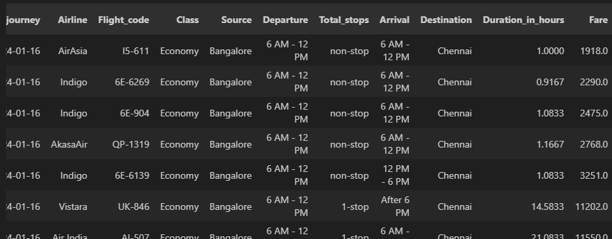
{'destination': 'Delhi', 'duration_of_trip': '3 days', 'adults': '2', 'children': '2'} | For a 3-day trip to Delhi with 2 adults and 2 children interested in art and museums, here is a suggested itinerary:\n\nDay 1:\n- Visit the National Museum and National Gallery of Modern Art, two of Delhi's largest museums with extensive art collections (allow 3-4 hours)\n- After lunch, explore the Lotus Temple, a unique Baháʼí House of Worship known for its flowerlike architecture (1-2 hours)\n- In the evening, take a walk through Chandni Chowk, a 17th-century market area popular for shopping for jewelry, handicrafts like zardozi embroidery, and meenakari enameling (2 hours) Day 2: \n- Start the day at the Red Fort, a UNESCO World Heritage Site and impressive example of Mughal architecture (2-3 hours)\n- After lunch, visit Humayun's Tomb, another World Heritage monument known for its beautiful Mughal gardens (1-2 hours)\n- End the day at Dilli Haat, an open-air craft bazaar showcasing handicrafts from all over India (2 hours) Day 3:\n- Visit the Qutub Minar complex in the morning, which includes the tallest brick minaret in the world and other medieval monuments (2-3 hours)\n- After lunch, explore the Akshardham Temple, a massive Hindu temple complex known for its intricate architecture and exhibitions on Indian culture (2-3 hours)\n- If time permits, stop by the Kite Museum or Crafts Museum to learn about traditional Indian arts and crafts before departing" | 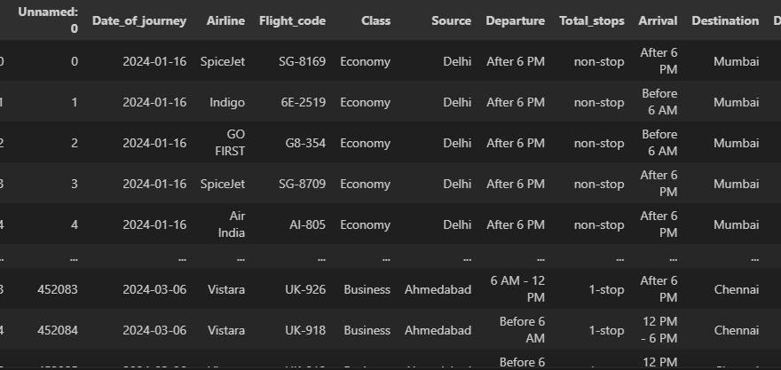
{'destination': 'Kolkata', 'duration_of_trip': '2', 'adults': '1', 'children': '0'} | "For a 2-day trip to Kolkata with interests in sports and cinema, here is a suggested itinerary:\n\nDay 1:\n9 AM - Visit the Salt Lake Stadium (Vivekananda Yuba Bharati Krirangan), India's second largest stadium. Take a tour of the stadium and learn about its history of hosting major football and cricket events like the 2017 FIFA U-17 World Cup. (2-3 hours)\n\n12 PM - Lunch break (1 hour)\n\n1 PM - Head to the Maidan, Kolkata's largest urban park. You can see local football and cricket clubs in action and even join in for a casual game. (2-3 hours)\n\n4 PM - Visit the Mohun Bagan Athletic Club or East Bengal Club grounds to learn about the iconic Kolkata Derby football rivalry. (1-2 hours)\n\n7 PM - Dinner break (1 hour)\n\n8 PM - Attend a Bengali movie screening at one of Kolkata's iconic theaters like Priya Cinema or Navina Cinema to experience the city's vibrant cinema culture. (3 hours) Day 2:\n9 AM - Visit the Eden Gardens cricket stadium, which hosted the 1987 Cricket World Cup final. Take a tour of the iconic stadium and learn about its history. (2-3 hours)\n\n12 PM - Lunch break (1 hour) \n\n1 PM - Head to the Netaji Indoor Stadium, which has hosted major sporting events like the 1981 Asian Basketball Championship. You can catch a local sports event or exhibition if one is happening. (2-3 hours)\n\n4 PM - Visit the Calcutta Racket Club, one of the oldest racket clubs in the world, to learn about the city's sporting heritage. (1-2 hours)\n\n7 PM - Dinner break (1 hour)\n\n8 PM - Attend a performance by one of Kolkata's renowned theatre groups like Nandikar or Swapnasandhani to experience the city's rich theatre culture. (2-3 hours)" | 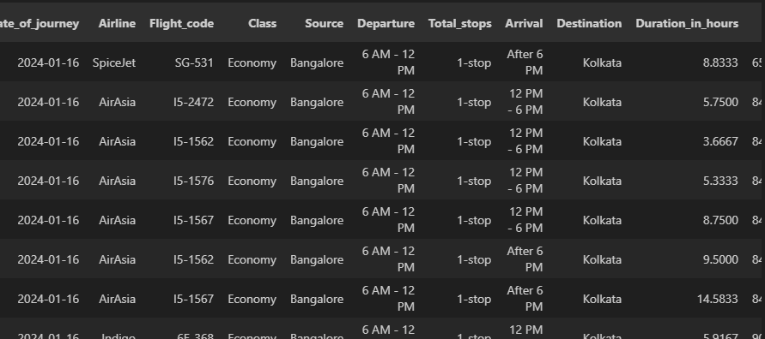
{'destination': 'Chennai', 'duration_of_trip': '4 days', 'adults': '2', 'children': '1'} | "For a 4-day trip to Chennai with interests in food, here is a suggested itinerary:\n\nDay 1:\n- Start your day early with a traditional South Indian breakfast like idli, vada, and filter coffee at a local restaurant like Murugan Idli Shop or Ratna Cafe (sources: 3, 5)\n- Visit the Government Museum and Fort St. George to explore Chennai's rich history and colonial heritage (source: 4)\n- For lunch, try the famous Chennai street food like sundal, pani puri, and masala dosa from the stalls in areas like Sowcarpet or T. Nagar (source: 3)\n- In the evening, take a walk along the Marina Beach, the second-longest urban beach in the world (source: 1) Day 2:\n- Start your day with a visit to the Semmoli Poonga botanical garden (source: 1)\n- For lunch, head to Nungambakkam or Anna Nagar, known for their upscale restaurants and try some of the diverse cuisines like North Indian, Chinese, or continental (sources: 2, 3)\n- In the afternoon, visit the Madras Crocodile Bank or the Arignar Anna Zoological Park to see the diverse wildlife (source: 2)\n- End your day with dinner at one of the famous restaurants like Dakshin or Raintree, known for their authentic South Indian cuisine (source: 3) Day 3:\n- Start your day with a visit to the Kapaleeswarar Temple, one of the oldest temples in the city (supplemental knowledge)\n- For lunch, try the famous Chennai delicacy of eating on a banana leaf at a traditional restaurant like Anjappar or Saravana Bhavan (source: 3)\n- In the afternoon, explore the shopping areas of T. Nagar or Pondy Bazaar for souvenirs and local handicrafts (supplemental knowledge)\n- End your day with dinner at a restaurant specializing in international cuisines like Japanese or Korean, reflecting Chennai's cosmopolitan nature (source: 3) Day 4:\n- Start your day with a visit to the Guindy National Park, a protected area within the city limits (source: 2)\n- For lunch, try the popular South Indian snacks like vada pav or pani puri from the street food stalls (so | 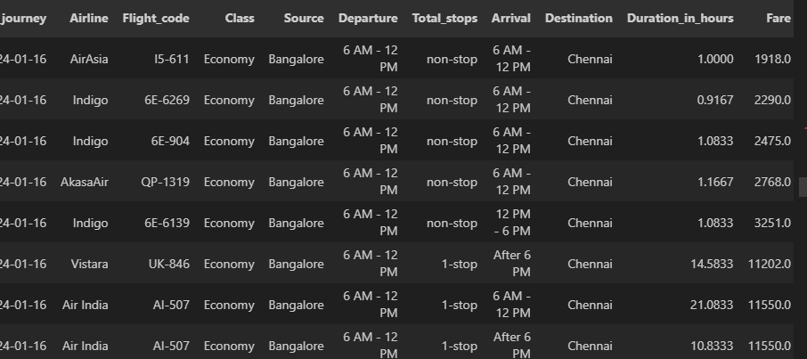
{'destination': 'Kolkata', 'duration_of_trip': '2 days days', 'adults': '1', 'children': '2'} | For a 2-day trip to Kolkata with 1 adult and 2 children, and interests in churches and temples, here is a suggested itinerary:\n\nDay 1:\n9 AM - Visit St. Paul\'s Cathedral, one of the largest churches in Kolkata. Spend around 1-2 hours exploring the beautiful Gothic architecture and learning about its history.\n12 PM - Have lunch at a local restaurant to try some authentic Bengali cuisine.\n2 PM - Visit the Kalighat Kali Temple, one of the most famous Hindu temples in Kolkata dedicated to the goddess Kali. Plan to spend 1-2 hours here.\n5 PM - Take a leisurely walk through the Indian Museum, the oldest museum in India, to see its impressive collections of art and natural history. Spend around 2 hours here.\n8 PM - Return to your hotel and rest for the evening. Day 2:\n9 AM - Start your day at the Dakshineswar Kali Temple, another famous temple dedicated to Kali. Spend 1-2 hours exploring the temple complex.\n12 PM - Have lunch and then head to the Victoria Memorial, a grand marble monument that houses a museum on Kolkata\'s history. Plan to spend 2-3 hours here.\n4 PM - Visit the Marble Palace, a 19th-century mansion that showcases European and Indian architecture and art. Spend around 1 hour here.\n6 PM - End your day with a walk through the lively Sudder Street, known for its street food and shopping. You can also experience the local "adda" culture of leisurely conversations.\n8 PM - Depart for your next destination or return home.'
{'destination': 'Kolkata', 'duration_of_trip': '1', 'adults': 1, 'children': 0} | For a 1-day trip to Kolkata with an interest in egg rolls, here is a suggested itinerary:\n\n9 AM - Start your day with a traditional Bengali breakfast like luchi (fried bread) and alur torkari (potato curry) from a local eatery.\n\n11 AM - Visit Kolkata's famous Chinatown and try the egg rolls and other Chinese street food from the stalls and restaurants there. The egg rolls in Chinatown are a must-try.\n\n1 PM - After exploring Chinatown, head to the iconic Indian Museum, which houses large collections showcasing Indian art and natural history. Spend a couple of hours here.\n\n4 PM - Make your way to the Hooghly riverfront and take a short cruise to see the city from the river. You can also visit the Howrah Bridge, an iconic landmark.\n\n7 PM - For dinner, visit one of the restaurants in Park Street area and try Bengali delicacies like machher jhol (fish curry), roshogolla, and mishti doi. You can also find egg rolls and other street food in this area.\n\n9 PM - End your day by attending a music performance or cultural event if there are any happening during your visit. Kolkata is known for its vibrant music and cultural scene." |  | 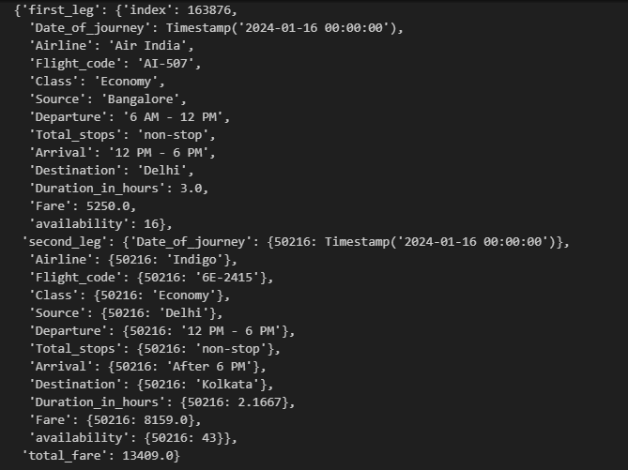
{'destination': 'Ahmedabad', 'duration_of_trip': '2 days', 'adults': 2, 'children': 0} | For your 2-day trip to Ahmedabad with interests in Gujarati food and shopping, here is a suggested itinerary:\n\nDay 1:\n9 AM - Start your day at Manek Chowk, an open square that transforms into a bustling street food market in the evenings. Sample local delicacies like dhoklas, theplas, and dhebras. (Source: 3)\n12 PM - Head to the Calico Museum of Textiles to explore their extensive collection of Indian and international fabrics and garments. (Source: 4)\n2 PM - Break for a traditional Gujarati thali lunch at Chandvilas Hotel, where this iconic meal was first commercially served. (Source: 3)\n4 PM - Visit the shops at Law Garden to browse and purchase mirrorwork handicrafts and other local crafts. (Sources: 2, 4)\n7 PM - Return to Manek Chowk for dinner at the food stalls, savoring more Gujarati street food. Day 2:\n9 AM - Start your day at Rangeela Pol to see the artisans making traditional tie-dyed bandhinis. (Source: 2)\n11 AM - Visit the Sanskar Kendra museum designed by Le Corbusier to learn about Ahmedabad's history, art, and culture. (Source: 4)\n1 PM - Have lunch at a restaurant serving Mughlai non-vegetarian cuisine in areas like Bhatiyar Gali or Kalupur. (Sources: 2, 3)\n3 PM - Explore the Sabarmati Riverfront and Kankaria Lake. (Source: 1)\n6 PM - End your trip with some last-minute shopping for souvenirs and local products at the shops in Madhupura selling traditional mojdi footwear. (Source: 2)\n\nThis itinerary covers key attractions, allows you to experience the local cuisine and culture, and provides ample time for shopping and exploring Ahmedabad's crafts scene. Rest periods and travel time between locations have been accounted for." | 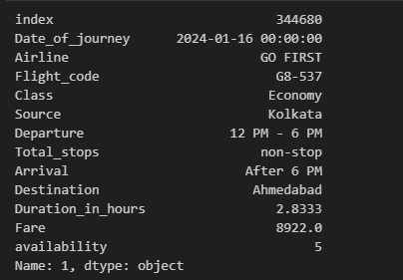
{'destination': 'Chennai', 'duration_of_trip': '2 days', 'adults': 1, 'children': 1} | "For a 2-day trip to Chennai with interests in sports, cricket, and football, here is a suggested itinerary:\n\nDay 1:\n9 AM - Visit M.A. Chidambaram Stadium, one of the oldest cricket stadiums in India. Take a guided tour and learn about its history. (Source: 4)\n12 PM - Lunch break\n2 PM - Head to Jawaharlal Nehru Stadium, a multi-purpose venue that hosts football matches and other sports. If there is a match happening, try to get tickets. Otherwise, you can explore the stadium complex. (Source: 4)\n5 PM - Visit Semmoli Poonga, a 20-acre botanical garden for some relaxation. (Source: 2)\n7 PM - Dinner at a local restaurant\n\nDay 2: \n9 AM - Visit Arignar Anna Zoological Park, a large urban zoo with over 2 million annual visitors. It's a great place for kids. (Source: 2)\n12 PM - Lunch break\n2 PM - Explore Guindy National Park, a protected area within the city limits that has a children's park and snake park. (Source: 2)\n5 PM - If interested in motorsports, visit the Madras Motor Race Track, India's first permanent racing circuit that hosts formula racing events. (Source: 5)\n7 PM - Dinner and depart This itinerary covers the major sports venues and attractions in Chennai based on your interests, while also including some relaxation time at parks and gardens. It accounts for travel time between locations and provides breaks for meals. The schedule is designed to be family-friendly with activities suitable for both adults and children." | {'first_leg': {'index': 105000, 'Date_of_journey': Timestamp('2024-02-02 00:00:00'), 'Airline': 'GO FIRST', 'Flight_code': 'G8-398', 'Class': 'Economy', 'Source': 'Mumbai', 'Departure': 'After 6 PM', 'Total_stops': 'non-stop', 'Arrival': 'After 6 PM', 'Destination': 'Bangalore', 'Duration_in_hours': 1.6667, 'Fare': 2252.0, 'availability': 38}, 'second_leg': {'Date_of_journey': {225404: Timestamp('2024-02-02 00:00:00')}, 'Airline': {225404: 'Indigo'}, 'Flight_code': {225404: '6E-7418'}, 'Class': {225404: 'Economy'}, 'Source': {225404: 'Bangalore'}, 'Departure': {225404: 'After 6 PM'}, 'Total_stops': {225404: 'non-stop'}, 'Arrival': {225404: 'After 6 PM'}, 'Destination': {225404: 'Chennai'}, 'Duration_in_hours': {225404: 1.3333}, 'Fare': {225404: 1914.0}, 'availability': {225404: 14}}, 'total_fare': 8332.0}
{'destination': 'Mumbai', 'duration_of_trip': '7 days', 'adults': 2, 'children': 1} | "For a 7-day trip to Mumbai with 2 adults and 1 child interested in technology and history, here is a suggested itinerary:\n\nDay 1: Arrive in Mumbai and check into your hotel. In the evening, visit the iconic Gateway of India monument and take a boat ride to get views of the city skyline from the Arabian Sea. Day 2: Start your day at the Chhatrapati Shivaji Maharaj Vastu Sangrahalaya (formerly Prince of Wales Museum) to see its collection of art, archaeological artifacts and ancient inscriptions. After lunch, visit the Nehru Science Centre and Planetarium to explore interactive science exhibits and shows. Day 3: Take a day trip to the Elephanta Caves, a UNESCO World Heritage site known for its rock-cut temples and sculptures dating back to the 6th century. Spend the afternoon exploring the caves and learning about their history. Day 4: Visit the Dharavi slum area for a walking tour to learn about the local industries and way of life. In the afternoon, explore the lively Crawford Market and shop for souvenirs. End your day at the iconic Taj Mahal Palace Hotel for high tea. Day 5: Take the kids to Essel World, a massive amusement park with roller coasters, water rides and other attractions. Spend the full day here enjoying the rides and entertainment. Day 6: Visit the Bhabha Atomic Research Centre to learn about India's nuclear program and see the exhibits on nuclear energy. In the afternoon, explore the lively Kala Ghoda art precinct and see the Prince of Wales Museum again if you have time. Day 7: On your final day, visit the iconic Haji Ali Dargah mosque and take a heritage walk through the Khotachiwadi village to see the old Portuguese-era homes and architecture. Depart for your flight/train in the evening." | 